Sheet5
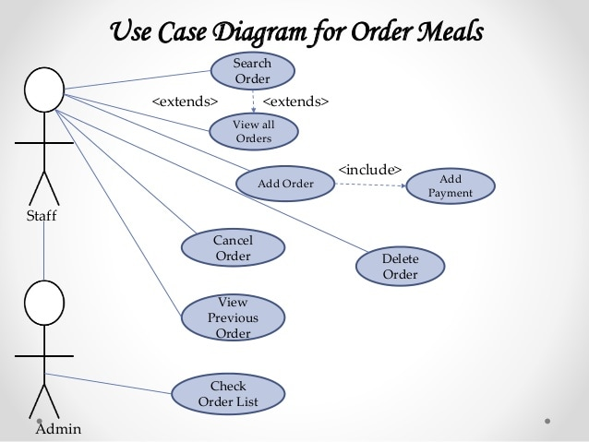
Use Case Diagram example

